Columns
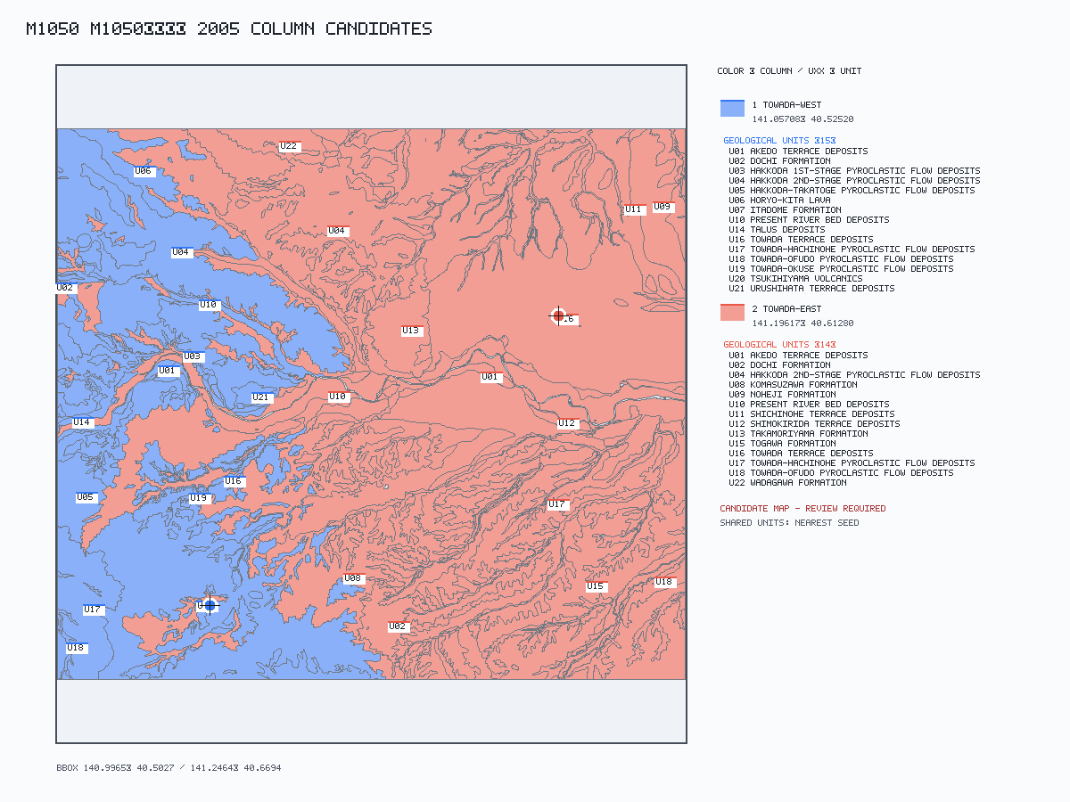
col_id | col_name | region_basis | lat | lng | geom | rgeom | evidence | status | ref_ids
1 | Towada-west | Shape-derived representative point; confirm visually in the pilot Review workbook. | 40.52520445 | 141.05707612 |  |  | Map verification: PDF-constrained candidate inside assigned polygon; inside assigned region: yes. Google Earth KML: column_map.kml. | CHECK | kudo2005
2 | Towada-east | Shape-derived representative point; confirm visually in the pilot Review workbook. | 40.61280103 | 141.19616705 |  |  | Map verification: PDF-constrained candidate inside assigned polygon; inside assigned region: yes. Google Earth KML: column_map.kml. | CHECK | kudo2005

